1. Title Page
Instacart Grocery Basket Analysis

Project Name: Instacart Grocery Basket Analysis
Date: 01.12.2023
Analyst Name: Shruthi Abraham

Contents:
Population Flow
Consistency checks
Wrangling steps
Column derivations
Visualizations
Recommendations

2. Population Flow
 |  |  | Title page

Population flow

Exclusion flag
Condition: max_order < 5
Obervations to be removed: 1441548
Final total count of order_products_all: 30.992.664

Orders_products_combined
Orders_products_merged
Orders_products_all

Total:
Total:
Total:
32640698 | 32434212 | 32434212

1.) The grey boxes in the first row of the population flow represent the original data sets as they were when you downloaded them. In the Total fields you need to add the count of the rows when you imported the data set into Jupyter.
2.) The second row of boxes (coloured) represents the data sets after you manipulated them, e.g., removed missing values and duplicates. In the Total fields you need to add the count of the rows after conducting these operations. This offers a visual oveview of how the data flows throughout the data consistency checks.
3.) The third row, where also the arrows are coloured, represents the merges you performed between the datasets. In the Total fields you need to add the count of the rows in the merged datasets, so that you end up with the final dataset (in the red box). Keep in mind the final dataset should be without exclusions (based on the exclusion flag).

3. Consistency checks
Consistency checks
 |  |  | Title page
 |  |  |  | Duplicates on product dataset

Dataset | Missing values | Missing values treatment | Duplicates
orders | days_since_previous_order | No changes made as it is expected that for first order there will not be any value | No duplicates
products | product_name 16 values | the null values are removed by creating a dataframe selecting only not null values | There are 5 rows duplicated which was retained using .duplicated() function and is removed using drop_duplicates() function
orders_products_prior | No missing values | No missing values | No duplicates
customers | first_name | Changed to "Unknown" It is not very relevant since all the last names were present which could be used if to be analysed. | No duplicates

4. Wrangling steps
 |  |  | Title page
Wrangling steps

Dataset | Columns dropped | Columns renamed | Columns' type changed | Comment/Reason
orders | eval_set from order | order_dow | order_id | 1. eval_set is not necessary to do analysis 2. Renamed columns for better understanding(dow to date of week and days_since_prior_order to days_since_previous_order) 3. order_id and user_id need no numerical summarizations , so changed to string type
 |  | days_since_prior_order | user_id
orders_prod_prior |  | Surnam : surname | user_id | Renamed columns for better understanding
 |  | First Name : first_name
 |  | STATE: state
 |  | Gender : gender
 |  | Age : age
 |  | fam_status : marital_status
 |  | n_dependants : num_of_dependants

all merged datasets | _merge |  |  | To avoid merge problem when the dataset is merged with another one with merge flag set
 | Unnamed |  |  | Not used in analysis

5. Column derivations
 |  | Title page

Column derivations and aggregations

In this tab you should add tables below that the frequences of flags/label variables that you produced after deriving them. NB: don't do this for continuous variables, only for flags.
Dataset | New column | Column/s it was derived from | Conditions
Orders_products_merged | max_order | order_number | Max of number of orders
 | loyalty_flag | max_order | max_order > 40 : Loyal Customer max_order > 10 and <= 40: Regular Customer max_order <= 10: New Customer
 | mean_price | prices | mean of prices
 | spend_flag | mean_price | mean_price < 10 : Low Spender mean_price > = 10 : High Spender
 | median_days_prev_order | days_since_previous_order | median of days_since_previous_order
 | regularity_flag | median_days_prev_order | median_days_prev_order > 20 : Non Frequent Customer median_days_prev_order > 10 and <= 20: Regular Customer median_days_prev_order <= 10: Frequent Customer

ords_prods_grouped.pkl | 'busiest_day' | orders_day_of_week' | result = [] for value in df_full["orders_day_of_week"]: if value == 0: result.append("Busiest day") elif value == 4: result.append("Least busy") else: result.append("Regularly busy")
 | busiest_days | 'orders_day_of_week' | Here we did grouping instead of individual days, so the regular busy and busiest days are nearly the same now. result2 = [] for value in df_full["orders_day_of_week"]: if value == 0 or value == 1: result2.append("Busiest days") elif value == 4 or value == 3: result2.append("Slowest days") else: result2.append("Regularly busy")
 | busiest_period_of_day | 'order_hour_of_day' | hours = [] for value in df_full["order_hour_of_day"]: if value in [10, 11, 14, 15, 13, 12, 16, 9]: hours.append("Most orders") elif value in [23, 6, 0, 1, 5, 2, 4, 3]: hours.append("Fewest orders") else: hours.append("Average orders")
 | max_order | 'user_id' and 'order_number' | df.groupby('department_id').agg({'order_number': ['mean', 'min', 'max']}) ords_prods_merge['max_order'] = ords_prods_merge.groupby(['user_id']) ['order_number'].transform(np.max)
 | 'loyalty_flag' | 'max_order' | ords_prods_merge.loc[ords_prods_merge['max_order'] > 40, 'loyalty_flag'] = 'Loyal customer', ords_prods_merge.loc[(ords_prods_merge['max_order'] <= 40) & (ords_prods_merge['max_order'] > 10), 'loyalty_flag'] = 'Regular customer', ords_prods_merge.loc[ords_prods_merge['max_order'] <= 10, 'loyalty_flag'] = 'New customer'
 | 'spending_flag' | 'avg_price' | ords_prods_merge.loc[ords_prods_merge['avg_price'] < 10, 'spending_flag'] = 'Low spender' ords_prods_merge.loc[ords_prods_merge['avg_price'] >= 10, 'spending_flag'] = 'High spender'
 | customer_order_frequency' | user_id' and 'days_since_last_order' | ords_prods_merge['customer_order_frequency'] = ords_prods_merge.groupby(['user_id'])['days_since_last_order'].transform(np.median)
 | 'order_frequency_flag' | 'customer_order_frequency' | ords_prods_merge.loc[ords_prods_merge['customer_order_frequency'] > 20, 'order_frequency_flag'] = 'Non-frequent customer' ords_prods_merge.loc[ords_prods_merge['customer_order_frequency'] > 10 & (ords_prods_merge['customer_order_frequency']<=20), 'order_frequency_flag'] = 'Regular customer' ords_prods_merge.loc[ords_prods_merge['customer_order_frequency'] <= 10, 'order_frequency_flag'] = 'Frequent customer'
df_high_activity_final.pkl' | “Region” | “State” | Created the regions NorthEast = ['Maine', 'New Hampshire', 'Vermont', 'Massachusetts', 'Rhode Island', 'Connecticut', 'New York', 'Pennsylvania', 'New Jersey']. Then Created the new column with the regions created: df.loc[df['state'].isin(NorthEast), 'region'] = 'NorthEast' Similarly for other regions as well. df.loc[df['state'].isin(Midwest), 'region'] = 'Midwest' df.loc[df['state'].isin(South), 'region'] = 'South', df.loc[df['state'].isin(West), 'region'] = 'West'
 | activity_flag' - Creating a subset of low activity and high activity customers | 'max_order' | df.loc[df['max_order'] < 5, 'activity_flag'] = 'low activity' df.loc[df['max_order'] >= 5, 'activity_flag'] = 'high activity'
 | 'age_group' | 'age' | df_high_activity.loc[(df_high_activity['age'] >= 18) & (df_high_activity['age'] <= 35), 'age_group'] = '18-35' df_high_activity.loc[(df_high_activity['age'] > 35) & (df_high_activity['age'] <= 50), 'age_group'] = '36-50' df_high_activity.loc[(df_high_activity['age'] > 50) & (df_high_activity['age'] <= 65), 'age_group'] = '51-65' df_high_activity.loc[(df_high_activity['age'] > 65) & (df_high_activity['age'] <= 81), 'age_group'] = '66-81'
 | income_group' | 'income' | df_active_customers.loc[df_active_customers['income'] <= 65000, 'income_group'] = 'Low Income' df_active_customers.loc[(df_active_customers['income'] > 65000) & (df_active_customers['income'] <= 125000), 'income_group'] = 'Middle Income' df_active_customers.loc[df_active_customers['income'] > 125000, 'income_group'] = 'High Income'
 | 'dependants_group' | 'n_dependants' | df_end.loc[df_end['n_dependants'] == 0, 'dependants_group'] = 'No dependants' df_end.loc[df_end['n_dependants'] > 0, 'dependants_group'] = 'Has dependants'
 | 'family_profile' | marital_status', 'age_group', 'Dependants_group' | single young with dependants single young without dependants married young with dependants married young without dependants single middle-age with dependants single middle-age without dependants married middle-age with dependants married middle-age without dependants

6. Visualizations

 |  | Title page

Visualisations

Busiest day of the week and hour of the day

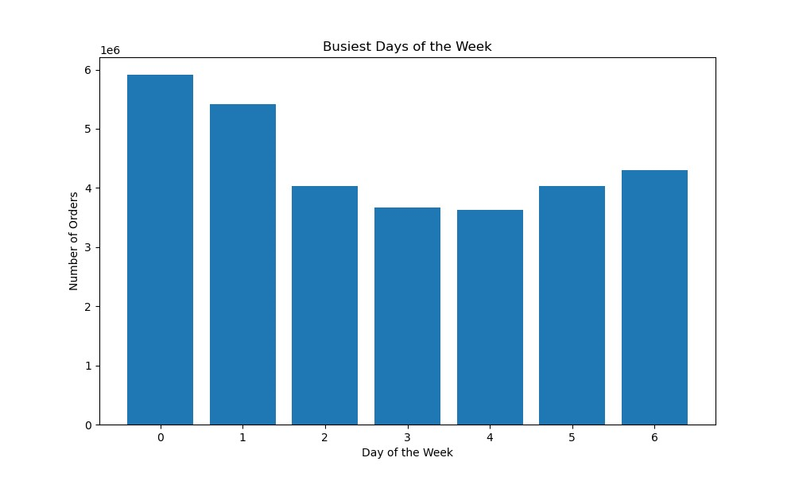



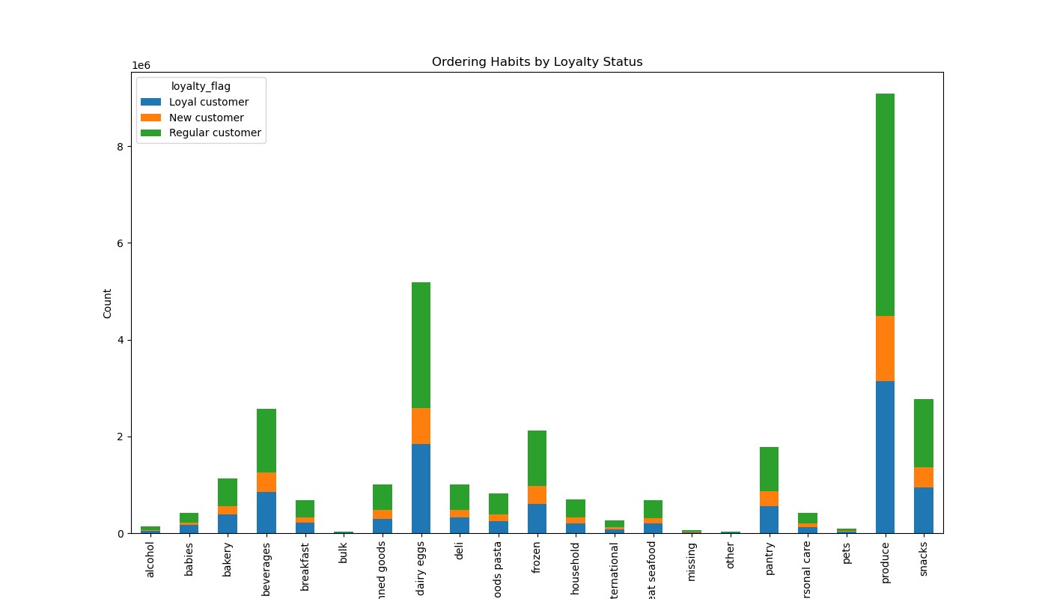

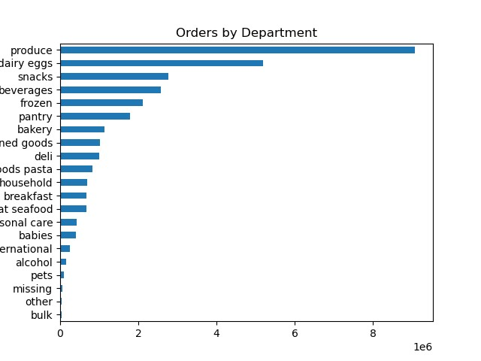

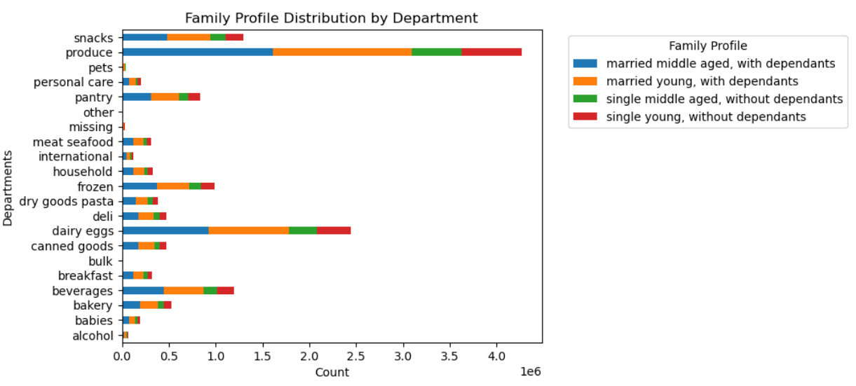
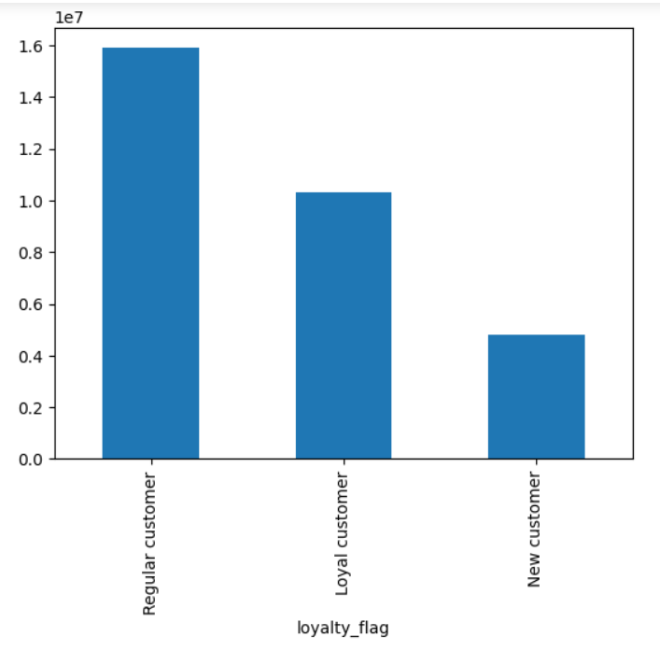

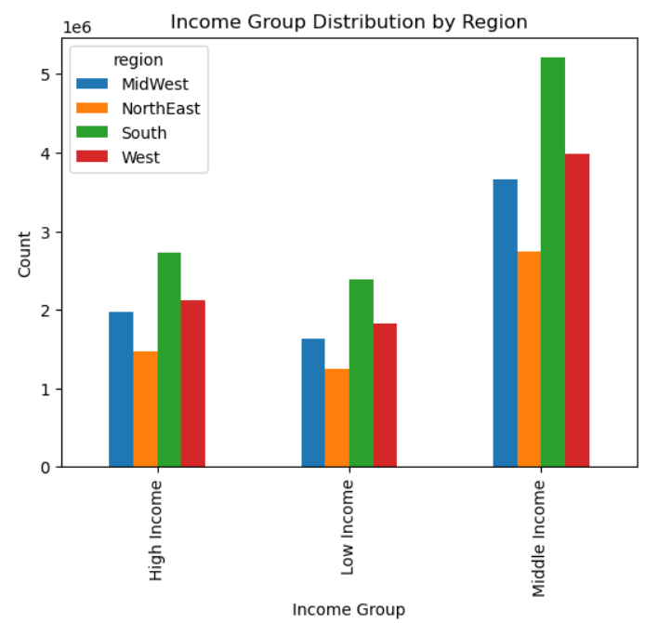
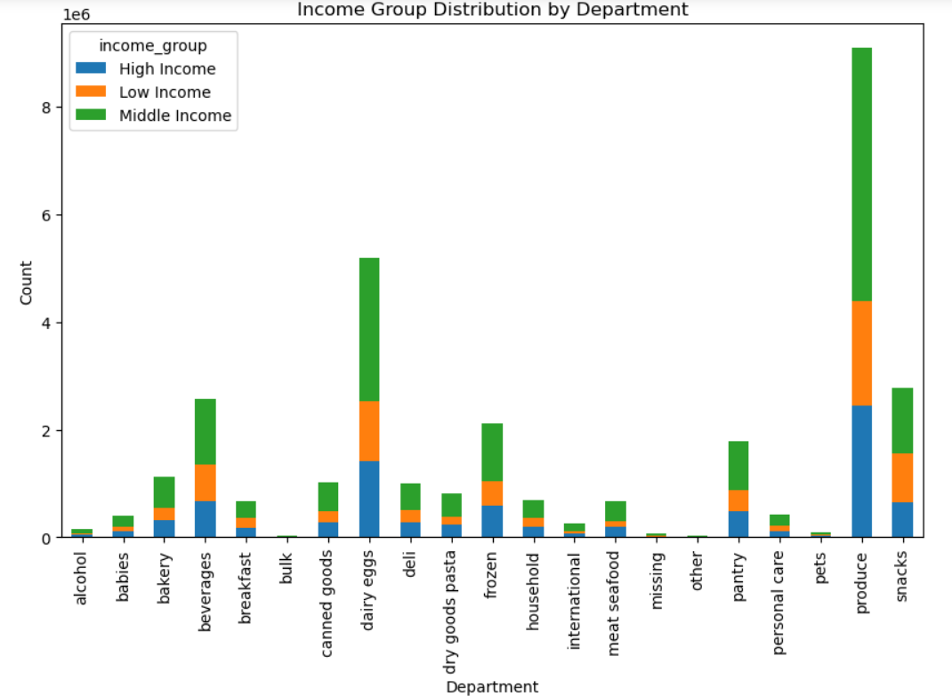

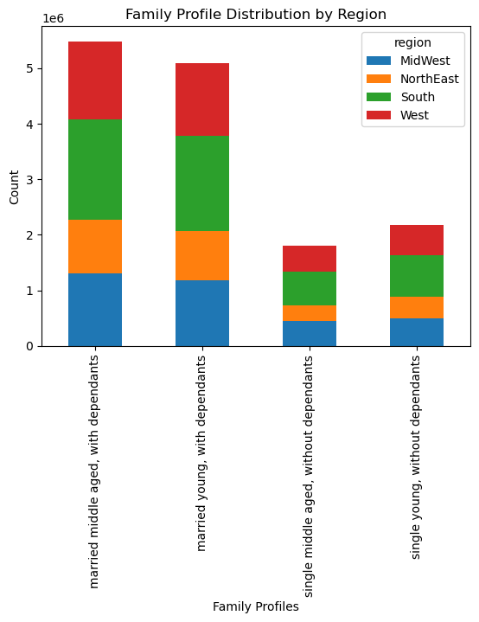
 |  | Hour of day with high Price

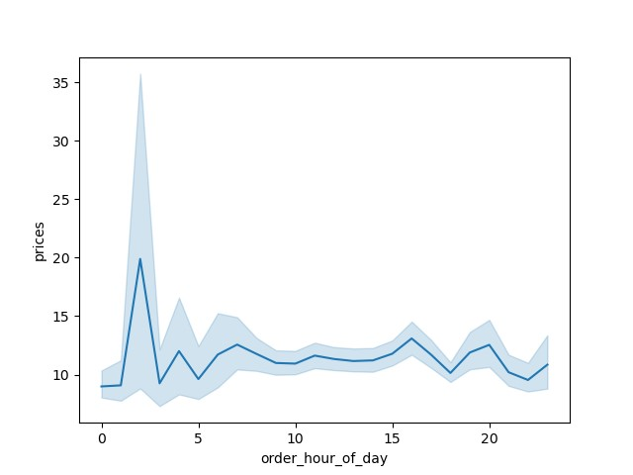

 | Age and Income of a Person

7. Recommendations
 |  | Title page

Recommendations

Question |  | Answer
Key Question 1 | The sales team needs to know what the busiest days of the week and hours of the day are (i.e., the days and times with the most orders) in order to schedule ads at times when there are fewer orders. | Saturday is the busiest day of the week and 10 am is the busiest hour of the day. The ads can be scheduled outside these times of day as they plan for times when there are fewer orders.
Key Question 2 | Are there certain types of products that are more popular than others? The marketing and sales teams want to know which departments have the highest frequency of product orders. | The major departments are produce, dairy eggs and snacks. It seems there are dependency on married adult with dependants as they are mostly families and would need mostly produce and egg and dairy.
Key Question 3 | What’s the distribution among users in regards to their brand loyalty (i.e., how often do they return to instacart)? | Regular Customers are more in number. Then comes the loyal customers. New customers can be turned into loyal or regular customers by providing more offers or advertisements specific to the products of interest.
Key Question 4 | Is there a connection between age and family status in terms of ordering habits? | It seems married middle aged with dependants are main customers followed by married young with dependants. Mostly consumed is produce and dairy eggs. They have more contributions in other departments as well.
Key Question 5 | What different classifications does the demographic information suggest? Age? Income? Certain types of goods? Family status? | :: Out of the regions, South has most number of income groups. :: Among them, middle income groups are more in number and they consume most in the departmentwise products. :: In terms of family profile, married middle aged with dependants are more and also South has the maximum number. :: Goods most popular are produce, eggs dairy and snacks.
Key Question 6 | What differences can you find in ordering habits of different customer profiles? Consider the price of orders, the frequency of orders, the products customers are ordering, and anything else you can think of. | married young/middle aged with dependants: consume more in every department. single young/middle aged without dependants consumes less as they have no dependants. It is obvious that family person with dependants are more likely to purchase more and that happens here as well.

